Macro Activation
Your macro has been disabled, make sure you activate the macro first.
Please follow below guide to activate macro

1. Choose "Option"

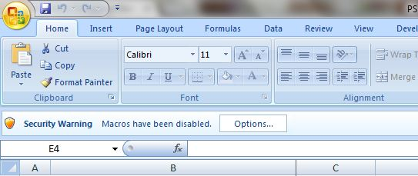

2. Choose "Enable this content"

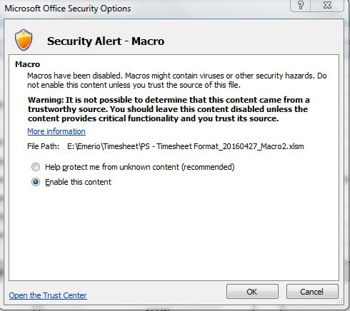

3. Klik "OK"

